product research_bug
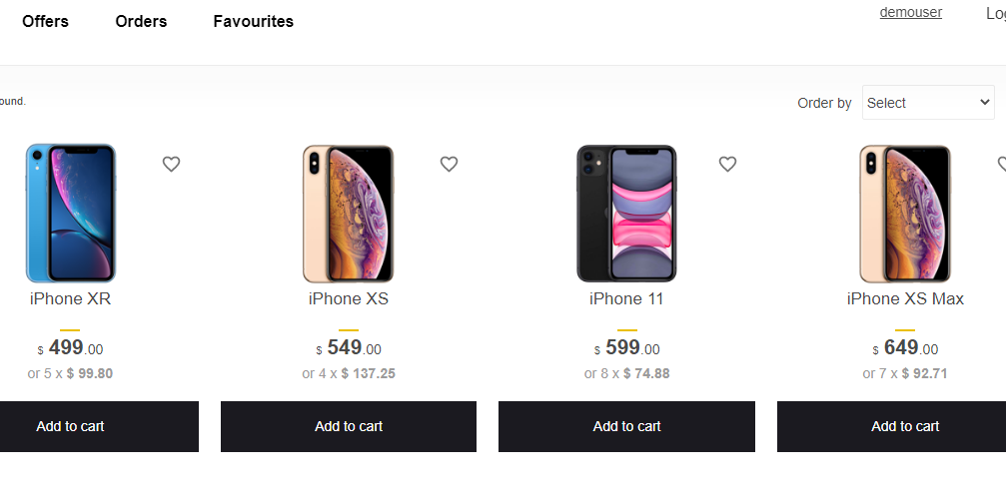
bug id | precondition | steps to bug | bug description | expected result | actual result | attatchments |  | commnets | priority
1 | - goto dashboard | - beneath the navbar in top right corner, - click "select order type" - click a navigation button - return to home again | - after selecting order type goto another page then return to home page - the select type will be reset | - select type should not reset | - select type reset | - before selecting |  | - select type is default before selecting | high

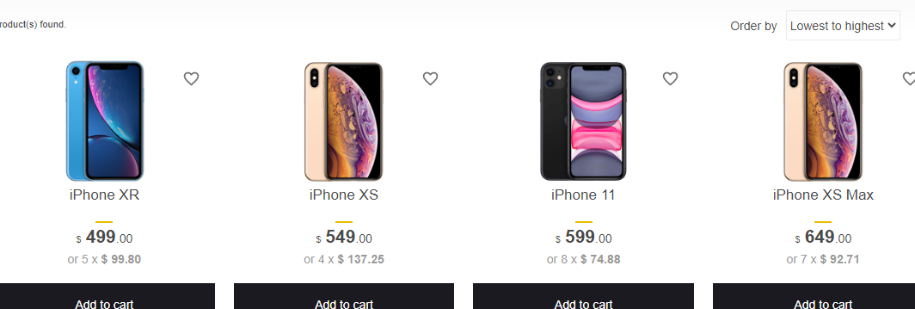
 |  |  |  |  |  | - after selecting |  | - after selecting lowest to highest, select type will contain the "lowerst to highest" text

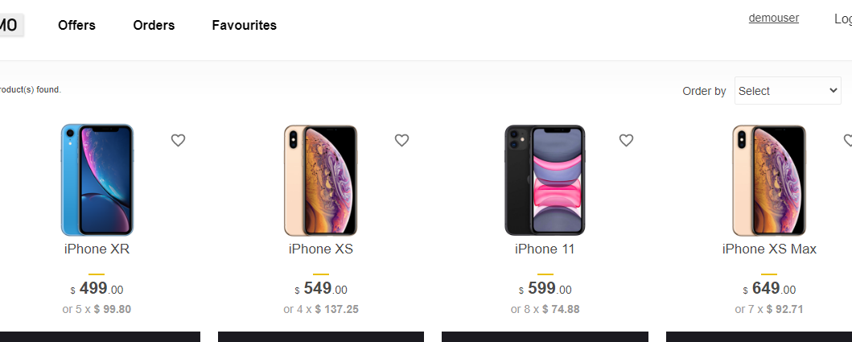
 |  |  |  |  |  | - go to another page then return to home & check if the select type is reseted or not |  | - when redirecting to another page, the text is set to default in select type section

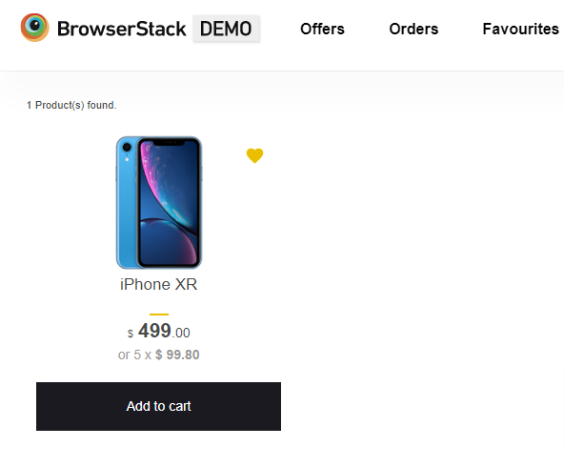
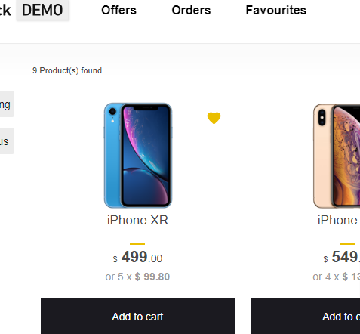
2 |  |  | - after adding a product in favourites, when another page is loaded & then return to home page the favourite product is no longer available | - product should be in favourites | - product is not in favourites | - the product is added to favourites - the favourite product can be seen in favourites also | high | - after adding a product to favoourites, it can be seen perfectly in dashboard as well as in favourites | high

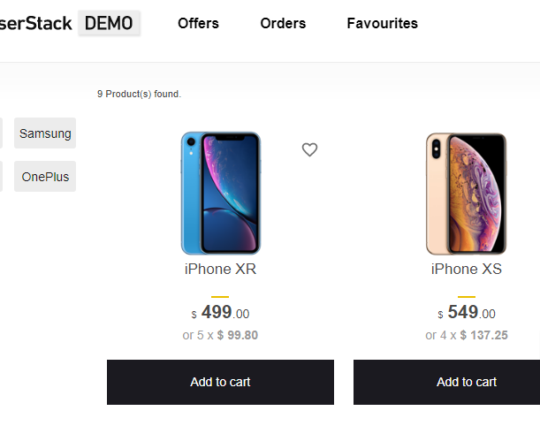
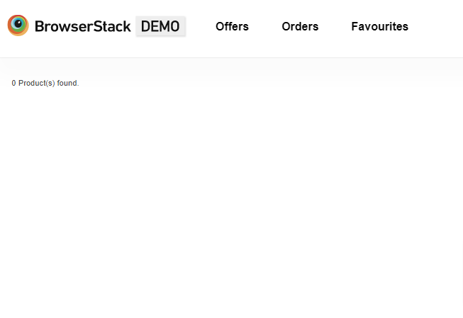
 |  |  |  |  |  | - after returning to home page the favourite product is not available |  | - as soon as we return to home page the favourite item is not seen anymore.

log in_bug
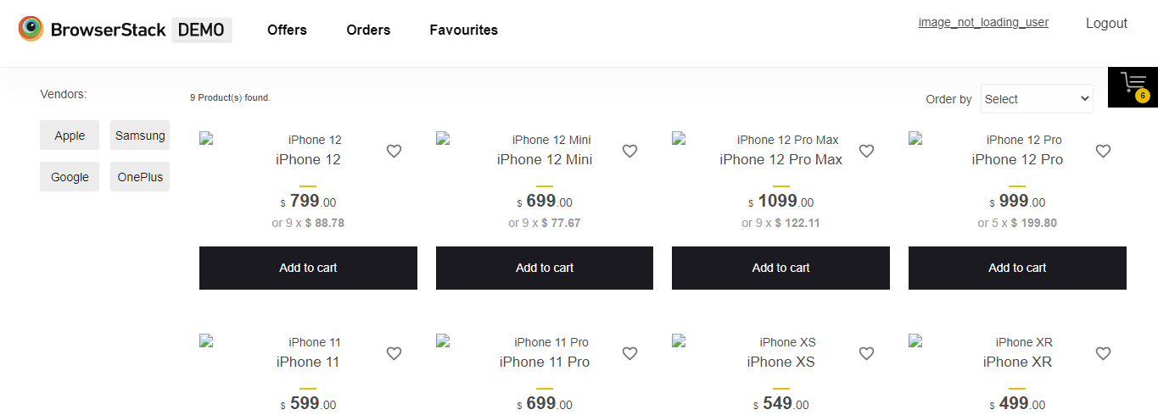
bug id | pre-condition | steps to bug | bug description | bug test data | bug scenario | expected result | actual result | attatchments
1 | - load login page | - goto login page - enter user name - enter password | - login with a valid user name & password. Not showing expected result | user name : image_not_loadiing_user password : testingisfun99 | dashboard is not showing any of the products picture | should be logged in & load pictures of products | didnt load the pictures of the products

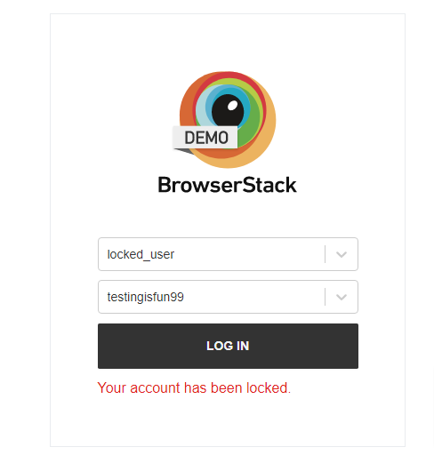
 |  |  |  | user name : locked_user password : testingisfun99 | account is locked showing after entering the valid user name & password | should not be locked | locked the user

Nav_bug
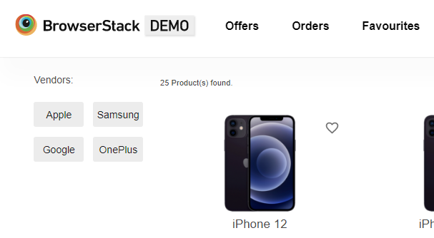
bug id | pre-condition | steps to the bug | bug description | bug inspection | expected result | actual result | priority | enviornment | attatchments | comments
1 | - load the dashboard | - go to the dashboard - select a vendor - go to navigation button - return to homepage | - if we select a vendor, there will be only selected vendors product. - but when we returned to homepage, the selected vendor was not selected anymore but products were according to the vendor - the background color has been changed of that vendor | - by that bug, client might get confused wether the dashboard is showing the only selected vendors product or all product. | - selected vendor should be selected such that the background color should be grey | - selected vendor was not selected - the background color is changed | high | windows 8.1 | before selection of the vendor | before selecting a vendor, like apple or samsung or google or onplus, there were 25 products

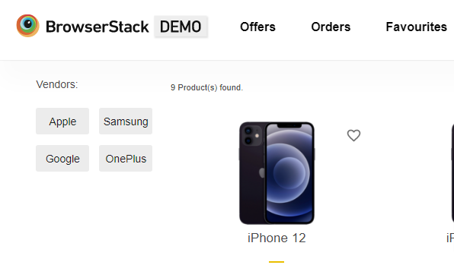
 |  |  |  |  |  |  |  |  | after selecting a vendor, then return to the homepage | after selecting a brand & then returning to home page, background has changed and only the selected brand product is showing

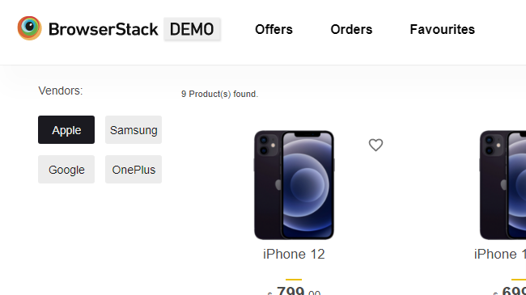
 |  |  |  |  |  |  |  |  | - select a brand & not clicking any navigations | the background should be black

